Sheet1
 |  | Document No. | Issue No. |  | Issue Date |  | Review and Replace Date |  | Authorised By
 |  | GFF428MC | 2 |  | 06.10.2023 |  | 17.12.2024
 |  | Document Title | GC- 10 Vegetable Samosa |Jumbo| 1400G
 |  |  |  |  |  |  |  |  | Magda Shah
Document amendments reason for change |  | Tray and Film Changed | Page 1 of 1 |  |  | Previous Issue Date |  | 06.10.2023 | Uncontrolled copy unless signed original

CVSAJ-B10T | Gazebo (BULK-SNACKS) |  | GC- 10 Vegetable Samosa |Jumbo| 1400G
STEP 1 |  |  |  |  |  | STEP 2
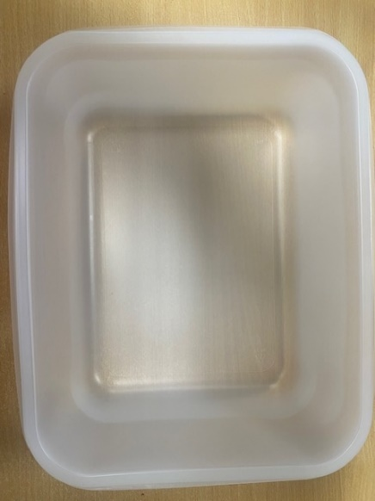 |  |  |  |  |  |  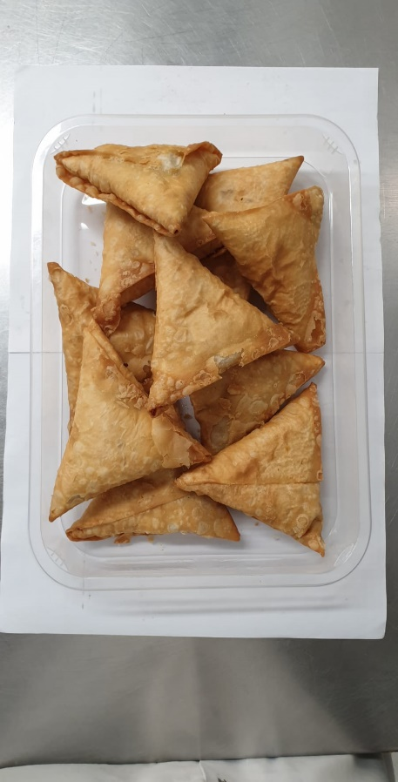

Tray: 554 natural-(PKPRO001-19) |  |  |  |  |  | Vegetable Samosa Large (GFF039R): 140g (1X10 Units) -1400g
Film: S340AF 340mmX510mm AF&HB Weld-(PKPRO001-17)
STEP 3
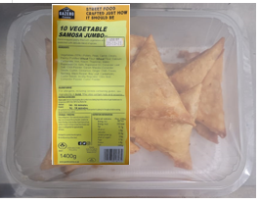 |  |  |  | 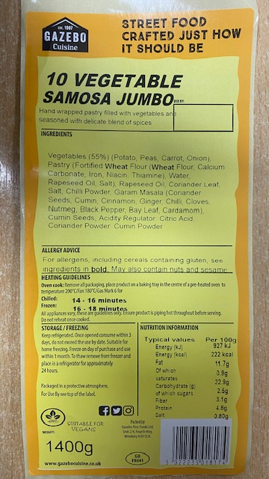

Label: 10 Vegetable Samosas Jumbo- Barcode-8174
TOTAL WEIGHT: 1400g

ALLERGY ALERT: WHEAT

